skydive
subjGrp | time | heartRt | Difference
1 | 1 | 73.78 | -17.69 |  |  |  |  | An aerospace medicine doctor wants to know how heart rates differ for Airmen from the beginning to the end of their skydiving jump. She has recorded heart rate data by timepoint in this dataset
2 | 1 | 79.6 | -9.63 |  |  |  |  | Which type of t-test should you conduct?
3 | 1 | 81.37 | -11.95 |  |  |  |  | -Single Sample t-test
4 | 1 | 85.46 | -4.13 |  |  |  |  | -Dependent t-test
5 | 1 | 85.03 | 7.96 | Test used | Dependent T test |  |  | -Independent t test
6 | 1 | 67.81 | -22.75 | null hypothesis | the true mean difference is zero | H0: D̅ = 0
7 | 1 | 64.79 | -14.58 | Alternative hypothesis | the true mean difference is not equal to zero | Ha: D̅ ≠ 0
8 | 1 | 84.82 | 0.62 |  | or there is a change in the heart rate of airmen by the end of a jump
9 | 1 | 78.31 | -16.78 | α = 0.05
10 | 1 | 68.13 | -3.77
11 | 1 | 76.91 | -9.27 | dependent t test equation | D̅-0 / SD̅
1 | 5 | 91.47 | 91.47
2 | 5 | 89.23 | 89.23 | D̅ | mean of the difference scores | 38.46
3 | 5 | 93.32 | 93.32 | SD̅ | standard error of difference scores | 49.49
4 | 5 | 89.59 | 89.59
5 | 5 | 77.07 | 77.07 | Mean | 38.455
6 | 5 | 90.56 | 90.56 | Standard Deviation | 49.492860067
7 | 5 | 79.37 | 79.37 | calculating standard error of difference
8 | 5 | 84.2 | 84.2 | standard error of the difference equation | SD̅ = SD̅ / √n
9 | 5 | 95.09 | 95.09 | n = sample size | 11
10 | 5 | 71.9 | 71.9 |  | SD̅ = 49.49 / √n
11 | 5 | 86.18 | 86.18 |  | SD̅ = 49.49 / 3.32
 |  |  |  | SD̅ | 14.906626506

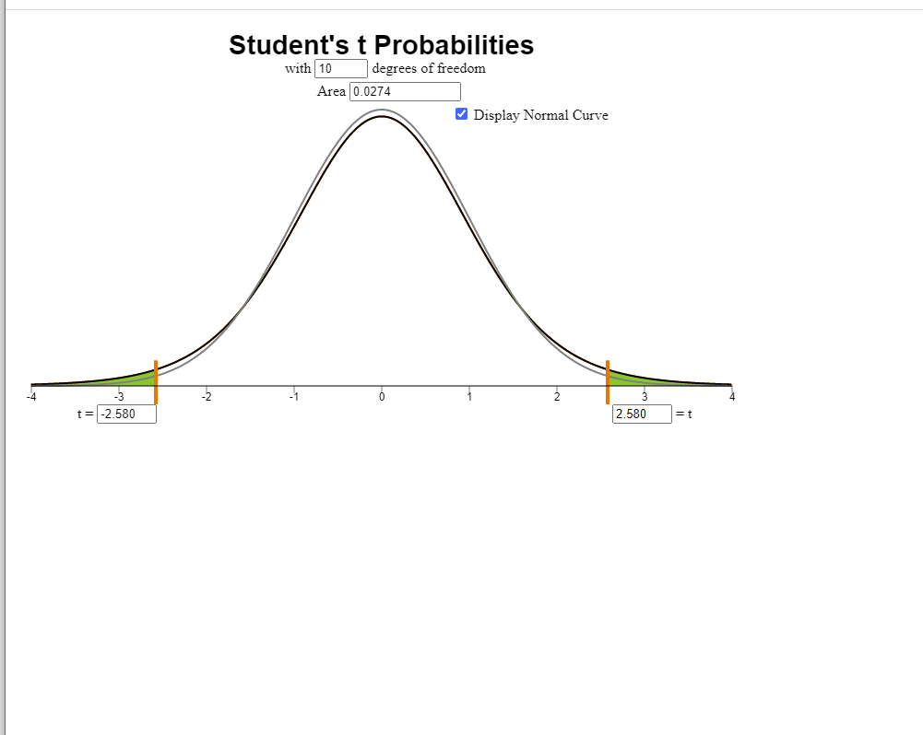
 |  |  |  | calculating the Dependent T-test | t= D̅-0 / SD̅
 |  |  |  |  | t=38.46-0 /14.91
 |  |  |  | t = | 2.5794768612
 |  |  |  |  | t=2.58
 |  |  |  | degrees of freedom | df = n-1
 |  |  |  | df | 10

 |  |  |  | to determine if it is a significant difference
 |  |  |  | or not I will go to the t probability applet

 |  |  |  | p-value | 0.0274

 |  |  |  |  |  |  | the distribution is almost normal but is slightly off of what is required for the normal bell shape. Since the are or p value is less than the alpha it indicates that the I will reject the null hypothesis in favor of the alterntaive hypothesis. In other words the true mean difference is not equal to zero.

 |  |  |  | the chart shows that heart rates remained
 |  |  |  | very consistent but it is not exact to result in a true mean of zero.

 |  |  |  | Compare the p-value to the α-level | p = 0.0274
 |  |  |  |  | α = 0.05
 |  |  |  |  | p < 0.05

 |  |  |  | Decision | Since the p value is less than the standrad alpha 0.05
 |  |  |  |  | I will reject the null hypothesis in favor of the alternative hypothesis
 |  |  |  |  | that the true difference is not equal to zero

 |  |  |  | Conclusion | since the null hypothesi sis rejected in favor
 |  |  |  |  | of the alterntaive hypothesis we can confidently
 |  |  |  |  | say there is sufficeient evidence to support that there changes in the heart rate of the men
 |  |  |  |  | between the beginning of the jump and the end of the jump.

